5.5a
Think-Big Development Co. Capital Budgeting Problem

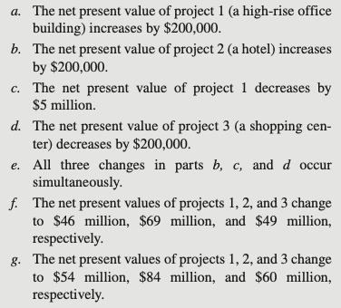
 |  | Office |  | Shopping
 |  | Building | Hotel | Center |  |  |  | Range Name | Cells
 | Net Present Value | 45.2 | 70 | 50 |  |  |  | CapitalAvailable | H9:H12
 | ($millions) |  |  |  | Cumulative |  | Cumulative | CapitalRequired | C9:E12
 |  |  |  |  | Capital |  | Capital | CapitalSpent | F9:F12
 |  |  | Cumulative Capital Required ($millions) |  | Spent |  | Available | ParticipationShare | C16:E16
 | Now | 40 | 80 | 90 | 24.30 | <= | 25 | NetPresentValue | C5:E5
 | End of Year 1 | 100 | 160 | 140 | 45.00 | <= | 45 | TotalNPV | H16
 | End of Year 2 | 190 | 240 | 160 | 65.00 | <= | 65
 | End of Year 3 | 200 | 310 | 220 | 80.00 | <= | 80

 |  | Office |  | Shopping |  |  | Total NPV
 |  | Building | Hotel | Center |  |  | ($millions)
 | Participation Share | 13.31% | 6.12% | 15.65% |  |  | 18.12

5.5h
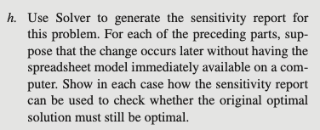
Variable Cells
 |  |  | Final | Reduced | Objective | Allowable | Allowable
 | Cell | Name | Value | Cost | Coefficient | Increase | Decrease
 | $C$16 | Participation Share Building | 0.00% | -4.85% | 45 | 0.0485 | 1.00E+30
 | $D$16 | Participation Share Hotel | 16.50% | 0.00% | 70 | 0.4545 | 0.0543
 | $E$16 | Participation Share Center | 13.11% | 0.00% | 50 | 0.1389 | 0.3226

Constraints
 |  |  | Final | Shadow | Constraint | Allowable | Allowable
 | Cell | Name | Value | Price | R.H. Side | Increase | Decrease
 | $F$9 | Now Spent | 25 | 0.0097 | 25 | 0.3049 | 4.3548
 | $F$10 | End of Year 1 Spent | 44.757 | 0.0000 | 45 | 1E+30 | 0.2427
 | $F$11 | End of Year 2 Spent | 60.583 | 0.0000 | 65 | 1E+30 | 4.4175
 | $F$12 | End of Year 3 Spent | 80 | 0.2233 | 80 | 0.7812 | 18.8889
Part a) Optimal solution changes ($200k increase is not within allowable increase of $48,500).
Part b) Optimal solution does not change ($200k increase is within allowable increase of $454,500).
Part c) Optimal solution does not change ($5M decrease is within allowable decrease of ∞).
Part d) Optimal solution does not change ($200k decrease is within allowable decrease of $322,600).
Part e) b) Percentage of allowable increase for project 2 = (70.2 – 70) / 0.4545 = 44%
c) Percentage of allowable decrease for project 1 = (45 – 40) / ∞ = 0% d) Percentage of allowable decrease for project 3 = (50 – 49.8) / 0.3226 = 62% Sum = 106%, so the solution may or may not change.
Part f) Percentage of allowable increase for project 1 = (46 – 45) / 0.0485 = 2,062% Percentage of allowable decrease for project 2 = (70 – 69) / 0.0543 = 1,842% Percentage of allowable decrease for project 3 = (50 – 49) / 0.3226 = 310% Sum = 4,214%, so the solution may or may not change.
Part g) Percentage of allowable increase for project 1 = (54 – 45) / 0.0485 = 18,557% Percentage of allowable increase for project 2 = (84 – 70) / 0.4545 = 3,080% Percentage of allowable increase for project 3 = (60 – 50) / 0.1389 = 7,199% Sum = 28,836%, so the solution may or may not change.

5.5i
NPV | Office Building | Hotel | Shopping Center |  | NPV | Office Building | Hotel | Shopping Center |  | NPV | Office Building | Hotel | Shopping Center
(Office) | Participation | Participation | Participation | Total NPV | (Hotel) | Participation | Participation | Participation | Total NPV | (Shop) | Participation | Participation | Participation | Total NPV
40 | 0.00% | 16.50% | 13.11% | 18.11 | 65 | 13.31% | 6.12% | 15.65% | 17.79 | 45 | 0.00% | 25.81% | 0.00% | 18.06
41 | 0.00% | 16.50% | 13.11% | 18.11 | 66 | 13.31% | 6.12% | 15.65% | 17.85 | 46 | 0.00% | 25.81% | 0.00% | 18.06
42 | 0.00% | 16.50% | 13.11% | 18.11 | 67 | 13.31% | 6.12% | 15.65% | 17.91 | 47 | 0.00% | 25.81% | 0.00% | 18.06
43 | 0.00% | 16.50% | 13.11% | 18.11 | 68 | 13.31% | 6.12% | 15.65% | 17.97 | 48 | 0.00% | 25.81% | 0.00% | 18.06
44 | 0.00% | 16.50% | 13.11% | 18.11 | 69 | 13.31% | 6.12% | 15.65% | 18.03 | 49 | 0.00% | 25.81% | 0.00% | 18.06
45 | 0.00% | 16.50% | 13.11% | 18.11 | 70 | 0.00% | 16.50% | 13.11% | 18.11 | 50 | 0.00% | 16.50% | 13.11% | 18.11
46 | 13.31% | 6.12% | 15.65% | 18.23 | 71 | 0.00% | 25.81% | 0.00% | 18.32 | 51 | 13.31% | 6.12% | 15.65% | 18.25
47 | 13.31% | 6.12% | 15.65% | 18.36 | 72 | 0.00% | 25.81% | 0.00% | 18.58 | 52 | 13.31% | 6.12% | 15.65% | 18.41
48 | 13.31% | 6.12% | 15.65% | 18.49 | 73 | 0.00% | 25.81% | 0.00% | 18.84 | 53 | 13.31% | 6.12% | 15.65% | 18.56
49 | 13.31% | 6.12% | 15.65% | 18.63 | 74 | 0.00% | 25.81% | 0.00% | 19.10 | 54 | 13.31% | 6.12% | 15.65% | 18.72
50 | 13.31% | 6.12% | 15.65% | 18.76 | 75 | 0.00% | 25.81% | 0.00% | 19.35 | 55 | 13.31% | 6.12% | 15.65% | 18.88

Try solving this Problem in R

5-7
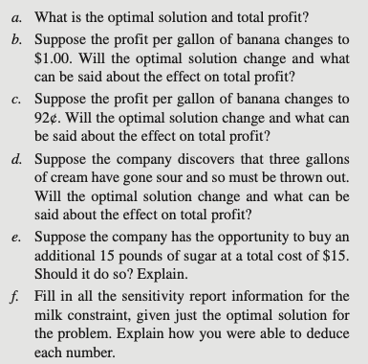
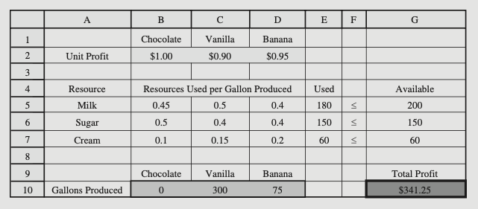
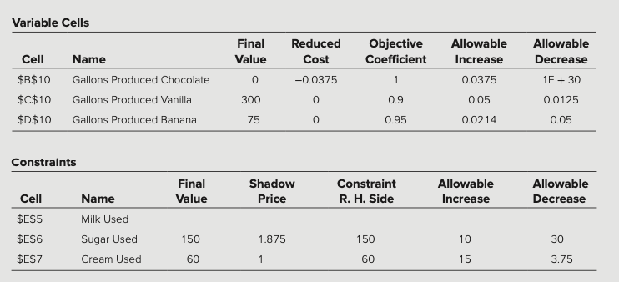

a) Optimal solution: produce no chocolate ice cream, 300 gallons of vanilla ice cream, and 75 gallons of banana ice cream. Total profit will be $341.25.
b) The optimal solution will change since $1.00 (an increase of $0.05) is outside the allowable increase of $0.0214. The profit will go up, but how much can’t be determined without re-solving.
c) The optimal solution will not change since $0.92 (a decrease of $0.03) is within the allowable decrease ($0.05). Total profit will decrease by $2.25 ($0.03 x 75) to $339.
d) The optimal solution will not change. Since the change is within the allowable range, we can calculate the change in profit using the shadow price: ∆Z = (Shadow Price)(∆RHS) = ($1) x (–3) = –$3. The new profit will be $338.25.
e) This increase is outside of the allowable increase so the total increase in profit with the extra sugar can not be determined without re-solving. However, we know that the shadow price is valid for the first increase of 10 pounds of sugar. For just this 10 pounds, the increase in profit is ∆Z = (Shadow Price)(∆RHS) = ($1.875)(+10) = $18.75, so even just 10 pounds of sugar would be worth the $15 price for 15 pounds.
f) The final value is 180 as shown in the E5 in the spreadsheet. The shadow price is 0 since we are using less milk than we have available (there is slack in the constraint). The R.H.Side value is 200 as given in cell G5. The allowable increase is infinity since the shadow price will stay zero no matter how much we add to the right-hand side (since this would merely add to the slack). The allowable decrease is 20 since the solution will change (and the shadow price will change from zero) once the right-hand side drops below 180 (the amount currently being used).

5.13 original
Skip parts a, b (Graphical and Manual Analysis)

part c. | Activity 1 | Activity 2
Unit Profit | $3 | $2

 | Resource Usage |  | Used |  | Available
Resource 1 | 1 | 0 | 3 | <= | 4
Resource 2 | 1 | 3 | 15 | <= | 15
Resource 3 | 2 | 1 | 10 | <= | 10

 | Activity 1 | Activity 2 |  |  | Total Profit
Solution | 3 | 4 |  |  | $17.00

5.13d
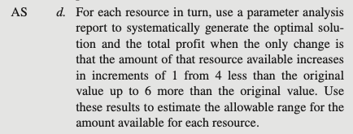
Available |  |  |  | Incremental | Available |  |  |  | Incremental | Available |  |  |  | Incremental
Resource 1 | Activity 1 | Activity 2 | Total Profit | Profit | Resource 2 | Activity 1 | Activity 2 | Total Profit | Profit | Resource 3 | Activity 1 | Activity 2 | Total Profit | Profit
0 | 0 | 5 | $10.00 |  | 11 | 3.8 | 2.4 | $16.20 |  | 6 | 0.6 | 4.8 | $11.40
1 | 1 | 4.67 | $12.33 | $2.33 | 12 | 3.6 | 2.8 | $16.40 | $0.20 | 7 | 1.2 | 4.6 | $12.80 | $1.40
2 | 2 | 4.33 | $14.67 | $2.33 | 13 | 3.4 | 3.2 | $16.60 | $0.20 | 8 | 1.8 | 4.4 | $14.20 | $1.40
3 | 3 | 4 | $17.00 | $2.33 | 14 | 3.2 | 3.6 | $16.80 | $0.20 | 9 | 2.4 | 4.2 | $15.60 | $1.40
4 | 3 | 4 | $17.00 | $0.00 | 15 | 3 | 4 | $17.00 | $0.20 | 10 | 3 | 4 | $17.00 | $1.40
5 | 3 | 4 | $17.00 | $0.00 | 16 | 2.8 | 4.4 | $17.20 | $0.20 | 11 | 3.6 | 3.8 | $18.40 | $1.40
6 | 3 | 4 | $17.00 | $0.00 | 17 | 2.6 | 4.8 | $17.40 | $0.20 | 12 | 4 | 3.67 | $19.33 | $0.93
7 | 3 | 4 | $17.00 | $0.00 | 18 | 2.4 | 5.2 | $17.60 | $0.20 | 13 | 4 | 3.67 | $19.33 | $0.00
8 | 3 | 4 | $17.00 | $0.00 | 19 | 2.2 | 5.6 | $17.80 | $0.20 | 14 | 4 | 3.67 | $19.33 | $0.00
9 | 3 | 4 | $17.00 | $0.00 | 20 | 2 | 6 | $18.00 | $0.20 | 15 | 4 | 3.67 | $19.33 | $0.00
10 | 3 | 4 | $17.00 | $0.00 | 21 | 1.8 | 6.4 | $18.20 | $0.20 | 16 | 4 | 3.67 | $19.33 | $0.00

Try solveing this Problem in R

5.13e-f
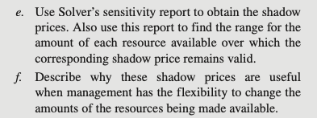
Variable Cells
 |  |  | Final | Reduced | Objective | Allowable | Allowable
 | Cell | Name | Value | Cost | Coefficient | Increase | Decrease
 | $B$10 | Solution Activity 1 | 3 | 0 | 3 | 1 | 2.3333333333
 | $C$10 | Solution Activity 2 | 4 | 0 | 2 | 7 | 0.5

Constraints
 |  |  | Final | Shadow | Constraint | Allowable | Allowable
 | Cell | Name | Value | Price | R.H. Side | Increase | Decrease
 | $D$5 | Resource 1 Used | 3 | 0 | 5 | 1E+30 | 2
 | $D$6 | Resource 2 Used | 15 | 0.2 | 15 | 15 | 10
 | $D$7 | Resource 3 Used | 10 | 1.4 | 10 | 3.3333333333 | 5

e)
The shadow price for resource 1 is $0.
The shadow price for resource 2 is $0.20.
The shadow price for resource 3 is $1.40.
The allowable range for the right-hand side of the first resource is 3 to ∞. The allowable range for the right-hand side of the second resource is 5 to 30. The allowable range for the right-hand side of the third resource is 5 to 13.333.
f)
These shadow prices tell management that for each additional unit of the resource, profit will increase by $0, or $0.20, or $1.40 for the three resources, respectively (for small changes). Management is then able to evaluate whether or not to change the amounts of resources being made available.

5.18
Wyndor Glass Co. Product-Mix Problem

 |  | Doors | Windows |  |  |  | Range Name | Cells
 | Unit Profit | $250 | $400 |  |  |  | DoorsProduced | C12
 |  |  |  | Hours |  | Hours | HoursAvailable | G7:G9
 |  | Hours Used Per Unit Produced |  | Used |  | Available | HoursUsed | E7:E9
 | Plant 1 | 1.1 | 0 | 1.8595238095 | <= | 3.5 | HoursUsedPerUnitProduced | C7:D9
 | Plant 2 | 0 | 2.4 | 11 | <= | 11 | TotalProfit | G12
 | Plant 3 | 3.5 | 2.2 | 16 | <= | 16 | UnitProfit | C4:D4
 |  |  |  |  |  |  | UnitProfitPerDoor | C4
 |  | Doors | Windows |  |  | Total Profit | UnitProfitPerWindow | D4
 | Units Produced | 1.690 | 4.583 |  |  | $2,256 | UnitsProduced | C12:D12
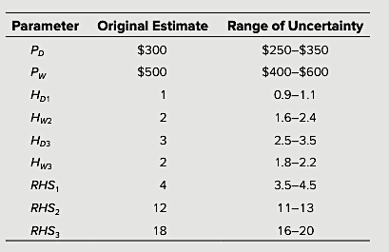
 |  |  |  |  |  |  | WindowsProduced | D12

5.20
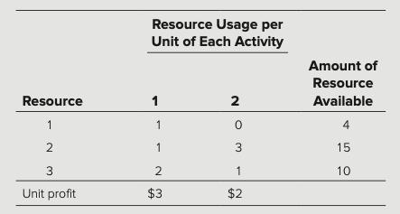
Original
 | Activity 1 | Activity 2
Unit Profit | $2.90 | $1.80

 | Resource Usage |  | Used |  | Available
Resource 1 | 1.2 | 0 | 2.7030129125 | <= | 3.6
Resource 2 | 1.1 | 3.5 | 13.5 | <= | 13.5
Resource 3 | 2.4 | 1.3 | 9.5 | <= | 9.5

 | Activity 1 | Activity 2 |  |  | Total Profit
Solution | 2.253 | 3.149 |  |  | $12.20
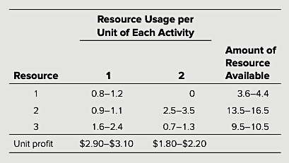
Uncertain

